Cover
 | YEAR

ANNUAL REPORT

of the

NAME

LOCATION

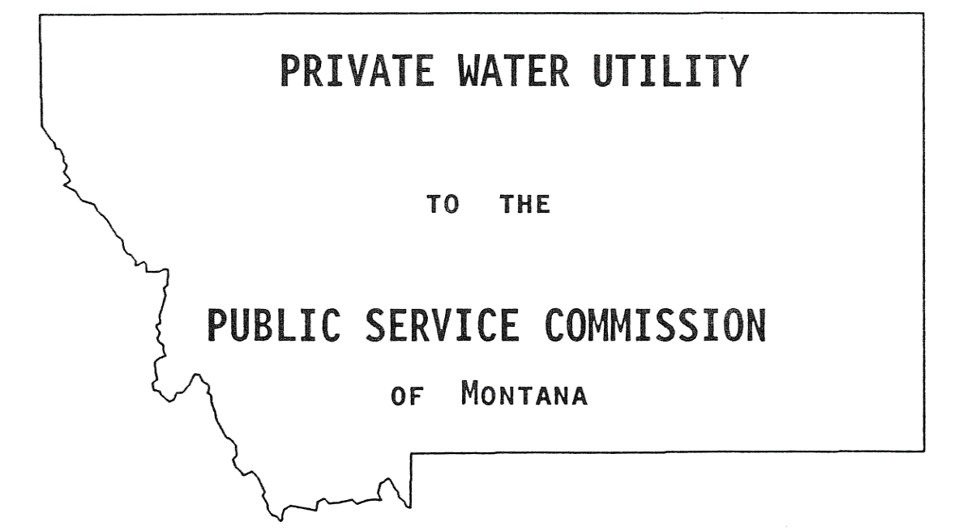

FOR THE YEAR ENDING

Form No. 402-A (01/2009)

